Step 1_Lanes
This workbook will help you with the Signal Warrant per MUTCD 2009. Input values when you see cell in light blue or pointed to by blue arrows.

Choose Major Street Direction

Enter Street Name
Roadway Configuration
No. of Lanes | Roadway Approach
 | Major Street |  | Minor Street
 | SH 136 |  | FM 1912
 | Northbound | Southbound | Eastbound | Westbound
Enter Number of Exclusive Lanes
Through | 1 | 1 | 0 | 0
Exclusive Left Turn | 1 | 1 | 0 | 0
Enginnering Judgement
Exclusive Right Turn | 1 | 1 | 1 | 1
Check the box if the coresspoding exclusive lane does not exist.
Enough traffic that the LT lanes can be counted as full lanes?
Enough conflicts that the RT lanes can be counted as full lanes?
Enter Number of Shared Lanes
Through/Right Turn | 0 | 0 | 0 | 0
Through/Left Turn | 0 | 0 | 1 | 1
Through/Left/Right | 0 | 0 | 0 | 0
Sum | 2 | 2 | 1 | 1
Type in the number of lanes if you think the calculation is wrong based on the engineering judement. Otherwise, put 0.
Overwrite | 0 | 0 | 0 | 0
SUMMARY | 2 or more lanes |  | 1 lane
CONCLUSION | 2 or more lanes and 1 lane

Step 2_Volumes
Counts
Time | Major Street |  |  |  |  |  |  |  | Minor Street |  |  |  |  |  |  |  | Total | Pedestrain Volumes |  | Total
 | SH 136 |  |  |  |  |  |  |  | FM 1912 |  |  |  |  |  |  |  |  | Crossing | SH 136
 | Northbound |  |  |  | Southbound |  |  |  | Eastbound |  |  |  | Westbound |  |  |  |  | Eastbound | Westbound
 | L | T | R | U | L | T | R | U | L | T | R | U | L | T | R | U
Enter Hourly Volumes
00:00 - 01:00 | 0 | 51 | 35 | 0 | 4 | 13 | 1 | 0 | 0 | 336 | 27 | 0 | 61 | 19 | 0 | 0 | 547 | 1 | 2 | 3
00:01 - 02:00 | 1 | 105 | 107 | 0 | 11 | 20 | 0 | 0 | 0 | 125 | 23 | 0 | 25 | 27 | 0 | 0 | 444 | 1 | 2 | 3
02:00 - 03:00 | 2 | 88 | 99 | 0 | 2 | 25 | 0 | 0 | 0 | 129 | 6 | 0 | 19 | 7 | 0 | 0 | 377 | 1 | 2 | 3
03:00 - 04:00 | 0 | 103 | 130 | 0 | 8 | 22 | 0 | 0 | 0 | 105 | 11 | 0 | 26 | 7 | 0 | 0 | 412 | 1 | 2 | 3
04:00 - 05:00 | 0 | 101 | 102 | 0 | 8 | 14 | 1 | 0 | 0 | 103 | 11 | 0 | 24 | 5 | 1 | 0 | 370 | 1 | 2 | 3
05:00 - 06:00 | 0 | 101 | 85 | 0 | 7 | 14 | 0 | 0 | 0 | 104 | 6 | 0 | 30 | 12 | 1 | 0 | 360 | 1 | 2 | 3
06:00 - 07:00 | 0 | 113 | 88 | 0 | 11 | 9 | 0 | 0 | 0 | 105 | 19 | 0 | 30 | 10 | 1 | 0 | 386 | 1 | 2 | 3
07:00 - 08:00 | 0 | 105 | 77 | 0 | 8 | 14 | 1 | 0 | 0 | 111 | 40 | 0 | 40 | 20 | 0 | 0 | 416 | 1 | 2 | 3
08:00 - 09:00 | 1 | 155 | 78 | 0 | 75 | 62 | 3 | 0 | 0 | 145 | 149 | 0 | 49 | 39 | 0 | 0 | 756 | 1 | 2 | 3
09:00 - 10:00 | 1 | 190 | 86 | 0 | 47 | 68 | 1 | 0 | 3 | 136 | 36 | 0 | 55 | 30 | 0 | 0 | 653 | 1 | 2 | 3
10:00 - 11:00 | 0 | 147 | 170 | 0 | 14 | 79 | 0 | 0 | 0 | 178 | 7 | 0 | 72 | 19 | 0 | 0 | 686 | 1 | 2 | 3
11:00 - 12:00 | 0 | 138 | 130 | 0 | 7 | 48 | 0 | 0 | 0 | 216 | 14 | 0 | 64 | 14 | 0 | 0 | 631 | 1 | 2 | 3
12:00 - 13:00 |  |  |  |  |  |  |  |  |  |  |  |  |  |  |  |  | 0 | 1 | 2 | 3
13:00 - 14:00 |  |  |  |  |  |  |  |  |  |  |  |  |  |  |  |  | 0 | 1 | 2 | 3
14:00 - 15:00 |  |  |  |  |  |  |  |  |  |  |  |  |  |  |  |  | 0 | 1 | 2 | 3
15:00 - 16:00 |  |  |  |  |  |  |  |  |  |  |  |  |  |  |  |  | 0 | 1 | 2 | 3
16:00 - 17:00 |  |  |  |  |  |  |  |  |  |  |  |  |  |  |  |  | 0 | 1 | 2 | 3
17:00 - 18:00 |  |  |  |  |  |  |  |  |  |  |  |  |  |  |  |  | 0 | 1 | 2 | 3
18:00 - 19:00 |  |  |  |  |  |  |  |  |  |  |  |  |  |  |  |  | 0 | 1 | 2 | 3
19:00 - 20:00 |  |  |  |  |  |  |  |  |  |  |  |  |  |  |  |  | 0 | 1 | 2 | 3
20:00 - 21:00 |  |  |  |  |  |  |  |  |  |  |  |  |  |  |  |  | 0 | 1 | 2 | 3
21:00 - 22:00 |  |  |  |  |  |  |  |  |  |  |  |  |  |  |  |  | 0 | 1 | 2 | 3
22:00 - 23:00 |  |  |  |  |  |  |  |  |  |  |  |  |  |  |  |  | 0 | 1 | 2 | 3
23:00 - 24:00 |  |  |  |  |  |  |  |  |  |  |  |  |  |  |  |  | 0 |  | 2 | 2
Enter the Desired Year and Anual Growth Factor (Check Box)
Or Uncheck Box and Simple Enter the Multiplier
 |  |  |  |  |  |  |  |  |  |  | Base Year: | 2016 | Desired Year: |  | 2020 | Annual Growth Factor: |  | 8.00% | OR | Multiplier: |  | 1
 |  |  |  |  |  |  |  | Final Factor |  | 1.360

Volumes of the Desired Year
Time | Major Street |  |  |  |  |  |  |  | Minor Street |  |  |  |  |  |  |  | Total
 | SH 136 |  |  |  |  |  |  |  | FM 1912
 | Northbound |  |  |  | Southbound |  |  |  | Eastbound |  |  |  | Westbound |  |  |  |  | Rank | Northbound | Southbound | Eastbound | Westbound | Major | High Minor | Total
 | L | T | R | U | L | T | R | U | L | T | R | U | L | T | R | U |  |  | Major | Major | Minor | Minor | Total | Approach
00:00 - 01:00 | 0 | 69 | 48 | 0 | 5 | 18 | 1 | 0 | 0 | 457 | 37 | 0 | 83 | 26 | 0 | 0 | 744 | 5 | 117 | 23 | 457 | 26 | 140 | 457 | 597
00:01 - 02:00 | 1 | 143 | 146 | 0 | 15 | 27 | 0 | 0 | 0 | 170 | 31 | 0 | 34 | 37 | 0 | 0 | 604 | 6 | 288 | 42 | 170 | 37 | 331 | 170 | 501
02:00 - 03:00 | 3 | 120 | 135 | 0 | 3 | 34 | 0 | 0 | 0 | 176 | 8 | 0 | 26 | 10 | 0 | 0 | 513 | 8 | 254 | 37 | 176 | 10 | 291 | 176 | 467
03:00 - 04:00 | 0 | 140 | 177 | 0 | 11 | 30 | 0 | 0 | 0 | 143 | 15 | 0 | 35 | 10 | 0 | 0 | 561 | 7 | 317 | 41 | 143 | 10 | 358 | 143 | 501
04:00 - 05:00 | 0 | 137 | 139 | 0 | 11 | 19 | 1 | 0 | 0 | 140 | 15 | 0 | 33 | 7 | 1 | 0 | 503 | 9 | 276 | 30 | 140 | 7 | 306 | 140 | 446
05:00 - 06:00 | 0 | 137 | 116 | 0 | 10 | 19 | 0 | 0 | 0 | 141 | 8 | 0 | 41 | 16 | 1 | 0 | 490 | 12 | 253 | 29 | 141 | 16 | 282 | 141 | 423
06:00 - 07:00 | 0 | 154 | 120 | 0 | 15 | 12 | 0 | 0 | 0 | 143 | 26 | 0 | 41 | 14 | 1 | 0 | 525 | 10 | 273 | 27 | 143 | 14 | 301 | 143 | 444
07:00 - 08:00 | 0 | 143 | 105 | 0 | 11 | 19 | 1 | 0 | 0 | 151 | 54 | 0 | 54 | 27 | 0 | 0 | 566 | 11 | 248 | 30 | 151 | 27 | 278 | 151 | 429
08:00 - 09:00 | 1 | 211 | 106 | 0 | 102 | 84 | 4 | 0 | 0 | 197 | 203 | 0 | 67 | 53 | 0 | 0 | 1029 | 4 | 317 | 186 | 197 | 53 | 503 | 197 | 701
09:00 - 10:00 | 1 | 258 | 117 | 0 | 64 | 93 | 1 | 0 | 4 | 185 | 49 | 0 | 75 | 41 | 0 | 0 | 888 | 3 | 375 | 156 | 185 | 41 | 532 | 185 | 717
10:00 - 11:00 | 0 | 200 | 231 | 0 | 19 | 107 | 0 | 0 | 0 | 242 | 10 | 0 | 98 | 26 | 0 | 0 | 933 | 1 | 431 | 127 | 242 | 26 | 558 | 242 | 800
11:00 - 12:00 | 0 | 188 | 177 | 0 | 10 | 65 | 0 | 0 | 0 | 294 | 19 | 0 | 87 | 19 | 0 | 0 | 858 | 2 | 365 | 75 | 294 | 19 | 439 | 294 | 733
12:00 - 13:00 | 0 | 0 | 0 | 0 | 0 | 0 | 0 | 0 | 0 | 0 | 0 | 0 | 0 | 0 | 0 | 0 | 0 | 13 | 0 | 0 | 0 | 0 | 0 | 0 | 0
13:00 - 14:00 | 0 | 0 | 0 | 0 | 0 | 0 | 0 | 0 | 0 | 0 | 0 | 0 | 0 | 0 | 0 | 0 | 0 | 14 | 0 | 0 | 0 | 0 | 0 | 0 | 0
14:00 - 15:00 | 0 | 0 | 0 | 0 | 0 | 0 | 0 | 0 | 0 | 0 | 0 | 0 | 0 | 0 | 0 | 0 | 0 | 15 | 0 | 0 | 0 | 0 | 0 | 0 | 0
15:00 - 16:00 | 0 | 0 | 0 | 0 | 0 | 0 | 0 | 0 | 0 | 0 | 0 | 0 | 0 | 0 | 0 | 0 | 0 | 16 | 0 | 0 | 0 | 0 | 0 | 0 | 0
16:00 - 17:00 | 0 | 0 | 0 | 0 | 0 | 0 | 0 | 0 | 0 | 0 | 0 | 0 | 0 | 0 | 0 | 0 | 0 | 17 | 0 | 0 | 0 | 0 | 0 | 0 | 0
17:00 - 18:00 | 0 | 0 | 0 | 0 | 0 | 0 | 0 | 0 | 0 | 0 | 0 | 0 | 0 | 0 | 0 | 0 | 0 | 18 | 0 | 0 | 0 | 0 | 0 | 0 | 0
18:00 - 19:00 | 0 | 0 | 0 | 0 | 0 | 0 | 0 | 0 | 0 | 0 | 0 | 0 | 0 | 0 | 0 | 0 | 0 | 19 | 0 | 0 | 0 | 0 | 0 | 0 | 0
19:00 - 20:00 | 0 | 0 | 0 | 0 | 0 | 0 | 0 | 0 | 0 | 0 | 0 | 0 | 0 | 0 | 0 | 0 | 0 | 20 | 0 | 0 | 0 | 0 | 0 | 0 | 0
20:00 - 21:00 | 0 | 0 | 0 | 0 | 0 | 0 | 0 | 0 | 0 | 0 | 0 | 0 | 0 | 0 | 0 | 0 | 0 | 21 | 0 | 0 | 0 | 0 | 0 | 0 | 0
21:00 - 22:00 | 0 | 0 | 0 | 0 | 0 | 0 | 0 | 0 | 0 | 0 | 0 | 0 | 0 | 0 | 0 | 0 | 0 | 22 | 0 | 0 | 0 | 0 | 0 | 0 | 0
22:00 - 23:00 | 0 | 0 | 0 | 0 | 0 | 0 | 0 | 0 | 0 | 0 | 0 | 0 | 0 | 0 | 0 | 0 | 0 | 23 | 0 | 0 | 0 | 0 | 0 | 0 | 0
23:00 - 24:00 | 0 | 0 | 0 | 0 | 0 | 0 | 0 | 0 | 0 | 0 | 0 | 0 | 0 | 0 | 0 | 0 | 0 | 24 | 0 | 0 | 0 | 0 | 0 | 0 | 0

Warrant 1
Warrant 1. Eight Hour Vehicular Volume
Number of Lanes: |  | 2 or more lanes and 1 lane
Major-street speed exceeds 40 mph

Population less than 10,000

 | Condition A – Minimum Vehicle Volume |  |  |  |  |  |  |  |  | Condition B – Interruption of Continuous Traffic
 | Major |  |  |  | Minor |  |  |  |  | Major |  |  |  | Minor
 | 100%a | 80%b | 70%c | 56%d | 100%a | 80%b | 70%c | 56%d |  | 100%a | 80%b | 70%c | 56%d | 100%a | 80%b | 70%c | 56%d
 | 600 | 480 | 420 | 336 | 150 | 120 | 105 | 84 |  | 900 | 720 | 630 | 504 | 75 | 60 | 53 | 42

Only applied where neither A or B is satfisifed and should only after an adequate trial of other alternatives
 |  |  |  |  |  |  |  | Conditon A or Condtion B |  |  |  |  |  | Combination of Condition A and Condition B
Time | Rank | Major Rd Volume |  |  | Minor Rd Volume |  |  | Meets Warrant 1A Criteria? |  | Meets Warrant 1B Criteria? |  | Warrant 1A | Warrant 1B | Meets Warrant 1A Criteria? |  | Meets Warrant 1B Criteria? |  | Meet Criteria
 |  | Northbound | Southbound | Total | Eastbound | Westbound | High | Major | Minor | Major | Minor | Both Major and Minor Roads Meet Criteria |  | Major | Minor | Major | Minor
 |  |  |  |  |  |  |  | 420 | 105 | 630 | 53 |  |  | 336 | 84 | 504 | 42
00:00 - 01:00 | 5 | 117 | 23 | 140 | 457 | 26 | 457 | NO | YES | NO | YES |  |  | NO | YES | NO | YES
00:01 - 02:00 | 6 | 288 | 42 | 331 | 170 | 37 | 170 | NO | YES | NO | YES |  |  | NO | YES | NO | YES
02:00 - 03:00 | 8 | 254 | 37 | 291 | 176 | 10 | 176 | NO | YES | NO | YES |  |  | NO | YES | NO | YES
03:00 - 04:00 | 7 | 317 | 41 | 358 | 143 | 10 | 143 | NO | YES | NO | YES |  |  | YES | YES | NO | YES
04:00 - 05:00 | 9 | 276 | 30 | 306 | 140 | 7 | 140 | NO | YES | NO | YES |  |  | NO | YES | NO | YES
05:00 - 06:00 | 12 | 253 | 29 | 282 | 141 | 16 | 141 | NO | YES | NO | YES |  |  | NO | YES | NO | YES
06:00 - 07:00 | 10 | 273 | 27 | 301 | 143 | 14 | 143 | NO | YES | NO | YES |  |  | NO | YES | NO | YES
07:00 - 08:00 | 11 | 248 | 30 | 278 | 151 | 27 | 151 | NO | YES | NO | YES |  |  | NO | YES | NO | YES
08:00 - 09:00 | 4 | 317 | 186 | 503 | 197 | 53 | 197 | YES | YES | NO | YES | YES |  | YES | YES | NO | YES
09:00 - 10:00 | 3 | 375 | 156 | 532 | 185 | 41 | 185 | YES | YES | NO | YES | YES |  | YES | YES | YES | YES | YES
10:00 - 11:00 | 1 | 431 | 127 | 558 | 242 | 26 | 242 | YES | YES | NO | YES | YES |  | YES | YES | YES | YES | YES
11:00 - 12:00 | 2 | 365 | 75 | 439 | 294 | 19 | 294 | YES | YES | NO | YES | YES |  | YES | YES | NO | YES
12:00 - 13:00 | 13 | 0 | 0 | 0 | 0 | 0 | 0 | NO | NO | NO | NO |  |  | NO | NO | NO | NO
13:00 - 14:00 | 14 | 0 | 0 | 0 | 0 | 0 | 0 | NO | NO | NO | NO |  |  | NO | NO | NO | NO
14:00 - 15:00 | 15 | 0 | 0 | 0 | 0 | 0 | 0 | NO | NO | NO | NO |  |  | NO | NO | NO | NO
15:00 - 16:00 | 16 | 0 | 0 | 0 | 0 | 0 | 0 | NO | NO | NO | NO |  |  | NO | NO | NO | NO
16:00 - 17:00 | 17 | 0 | 0 | 0 | 0 | 0 | 0 | NO | NO | NO | NO |  |  | NO | NO | NO | NO
17:00 - 18:00 | 18 | 0 | 0 | 0 | 0 | 0 | 0 | NO | NO | NO | NO |  |  | NO | NO | NO | NO
18:00 - 19:00 | 19 | 0 | 0 | 0 | 0 | 0 | 0 | NO | NO | NO | NO |  |  | NO | NO | NO | NO
19:00 - 20:00 | 20 | 0 | 0 | 0 | 0 | 0 | 0 | NO | NO | NO | NO |  |  | NO | NO | NO | NO
20:00 - 21:00 | 21 | 0 | 0 | 0 | 0 | 0 | 0 | NO | NO | NO | NO |  |  | NO | NO | NO | NO
21:00 - 22:00 | 22 | 0 | 0 | 0 | 0 | 0 | 0 | NO | NO | NO | NO |  |  | NO | NO | NO | NO
22:00 - 23:00 | 23 | 0 | 0 | 0 | 0 | 0 | 0 | NO | NO | NO | NO |  |  | NO | NO | NO | NO
23:00 - 24:00 | 24 | 0 | 0 | 0 | 0 | 0 | 0 | NO | NO | NO | NO |  |  | NO | NO | NO | NO
No. of YES in column |  |  |  |  |  |  |  |  |  |  |  | 4 | 0 |  |  |  |  | 2
 |  |  |  |  |  |  |  |  |  |  | >=8? | FALSE | FALSE |  |  |  |  | FALSE

Warrant 2
Warrant 2.Four Hour Volumes
Rank | Major Total | High Minor
1 | 557.8004736 | 242.16703488 | You should use figure: | 4C-2
2 | 439.43793408 | 293.86561536 | You should use line: | 2 or more lanes and 1 lane
If Major Total > 2500 or High Minor > 1000, the point will be out of graph 4C - 1
If Major Total > 1800 or High Minor > 800, the point will be out of graph 4C - 2
3 | 531.95118336 | 185.02649856
4 | 503.3809152 | 197.2708992
5 | 140.13036288 | 457.12429056
6 | 330.59881728 | 170.06112
7 | 357.80859648 | 142.8513408
8 | 291.14463744 | 175.50307584
9 | 306.110016 | 140.13036288
10 | 300.66806016 | 142.8513408
11 | 277.53974784 | 151.01427456
12 | 281.62121472 | 141.49085184
13 | 0 | 0
14 | 0 | 0
15 | 0 | 0
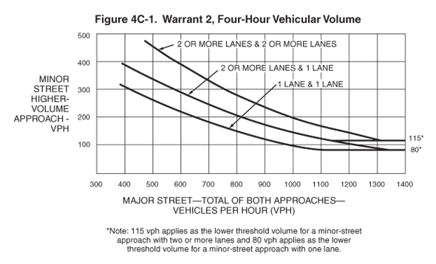
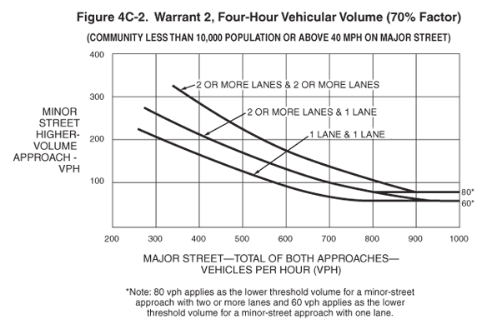
16 | 0 | 0
17 | 0 | 0
18 | 0 | 0
19 | 0 | 0
20 | 0 | 0
21 | 0 | 0
22 | 0 | 0
23 | 0 | 0
24 | 0 | 0

Warrant 3
Warrant 3.Peak Hour
Only applied in unusual case, such as office complexes, manufacturing plants, industrial complexes, or high-occupancy vehciles facilities that attract or discharge large number of vehicles over a short time.

Warrant 4
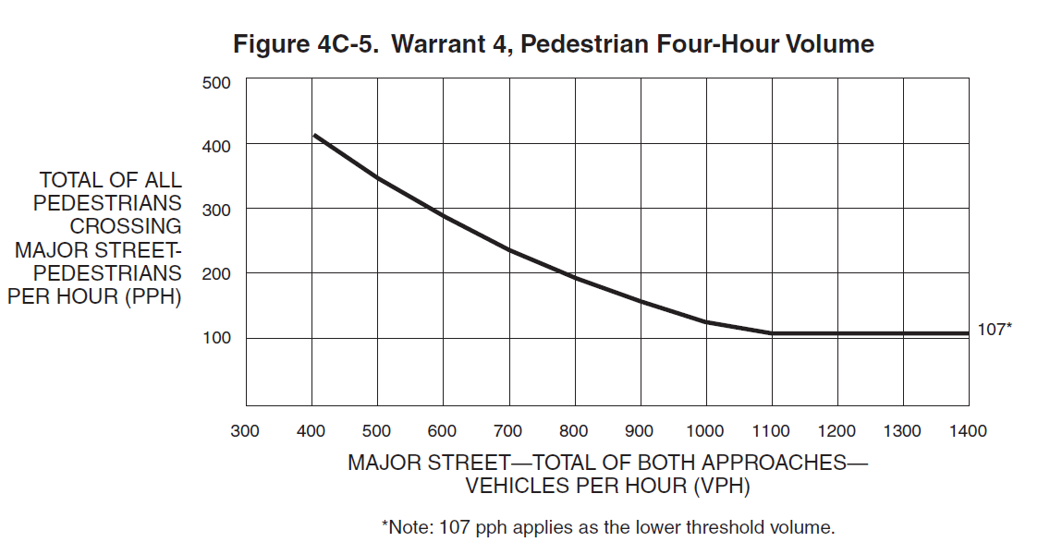
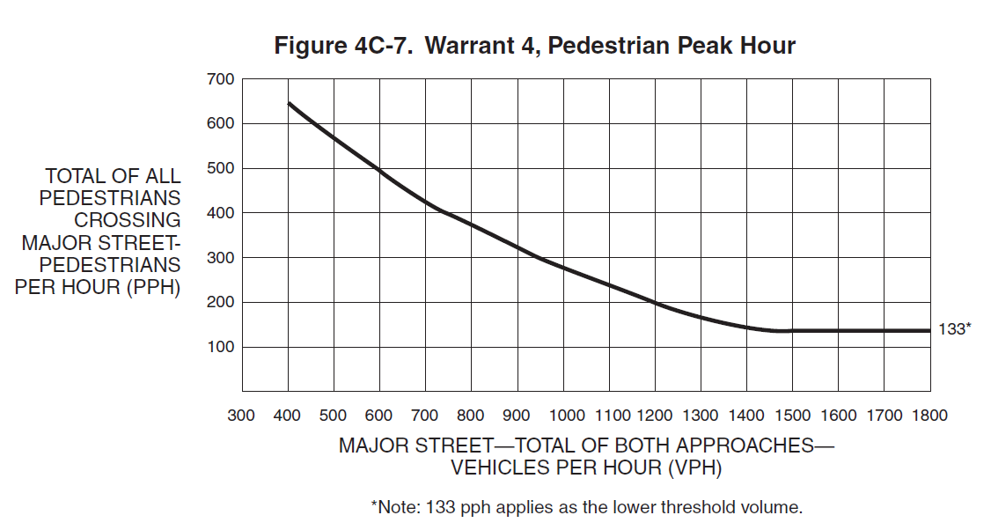
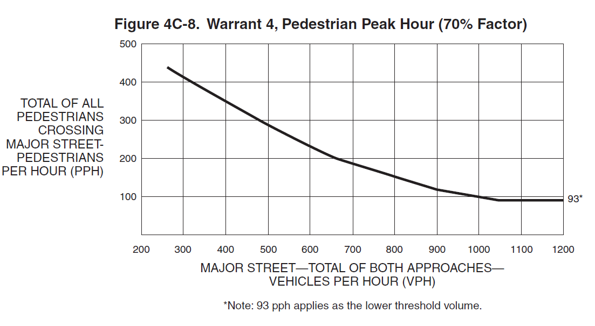
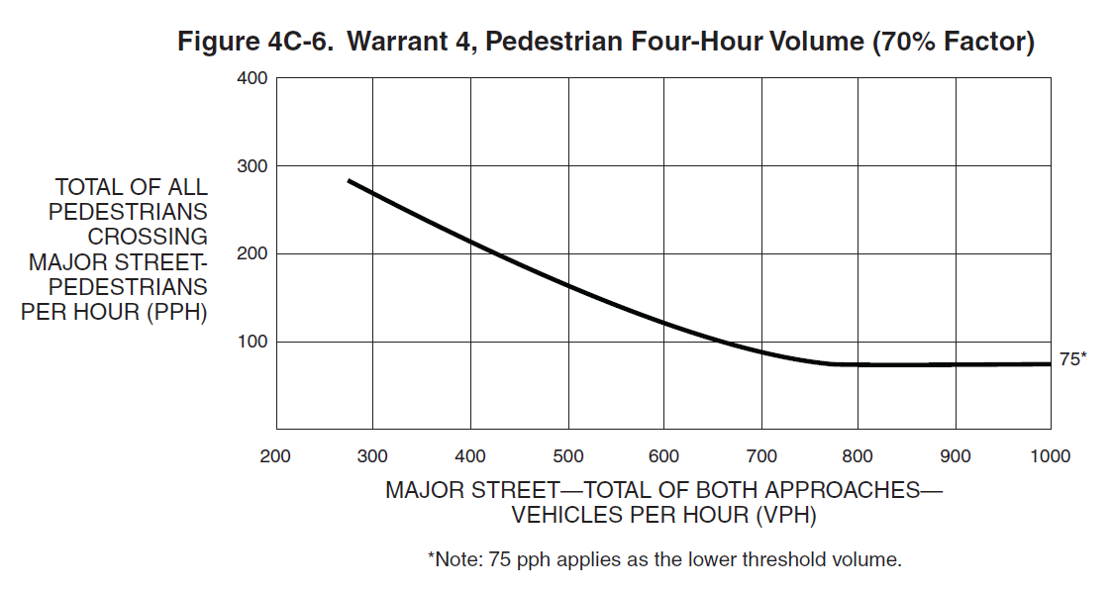
Not applied where:
--The distance to the nearest traffic control signal or STOP sign controlling the street that ped desire to cross is less than 300 feet
--Adjacent coordinated traffic control signals consistently provide gaps of adequate length for ped to cross the street.
Warrant 4. Pedstrian Volume
Time | Rank | Major Rd | Crossing Ped
 |  | Total | Total

00:00 - 01:00 | 12 | 140 | 4
00:01 - 02:00 | 6 | 331 | 4
02:00 - 03:00 | 9 | 291 | 4
03:00 - 04:00 | 5 | 358 | 4
Any consecutive 15-min periods have higher volumes?
If yes, type in the volumes :
04:00 - 05:00 | 7 | 306 | 4 |  |  |  | Rank | Major Rd | Crossing Ped
05:00 - 06:00 | 10 | 282 | 4 |  |  |  | 1 | 5 | 4
06:00 - 07:00 | 8 | 301 | 4 |  |  |  | 2 | 500 | 4
07:00 - 08:00 | 11 | 278 | 4 |  |  |  | 3 | 200 | 4
08:00 - 09:00 | 3 | 503 | 4 |  |  |  | 4 | 5 | 4
09:00 - 10:00 | 2 | 532 | 4
Major-street speed exceeds 35 mph
10:00 - 11:00 | 1 | 558 | 4 |  |  | Final 4 hours with highest volumes: | Rank | Major Rd | Crossing Ped
11:00 - 12:00 | 4 | 439 | 4 |  |  |  | 1 | 5 | 4
Population less than 10,000
12:00 - 13:00 | 13 | 0 | 4 |  |  |  | 2 | 500 | 4
13:00 - 14:00 | 13 | 0 | 4 |  |  |  | 3 | 200 | 4
14:00 - 15:00 | 13 | 0 | 4 | You should use figure: | 4C-6/8 |  | 4 | 5 | 4
15:00 - 16:00 | 13 | 0 | 4
16:00 - 17:00 | 13 | 0 | 4
If Major Total > 2500 or Total Ped > 1000, the point will be out of graph 4C -5
If Major Total > 1800 or Total Ped > 0800, the point will be out of graph 4C -6
If Major Total > 3300 or Total Ped > 1400, the point will be out of graph 4C -7
If Major Total > 2200 or Total Ped > 1000, the point will be out of graph 4C -8
17:00 - 18:00 | 13 | 0 | 4
18:00 - 19:00 | 13 | 0 | 4
19:00 - 20:00 | 13 | 0 | 4
20:00 - 21:00 | 13 | 0 | 4
21:00 - 22:00 | 13 | 0 | 4
22:00 - 23:00 | 13 | 0 | 4
23:00 - 24:00 | 13 | 0 | 3

Warrant 56789
Warrant 5. School Crossing
The number of adequate gaps in the traffic stream during the period when the school children are using the crossing is less than the number of minutes in the same period?
There are a minimum of 20 school children during the highest crossing hour?
 |  | May meet Warrant 5
Not workable if implementing other remedial measures, such as warning signs and flashers, school speed zones, school crossing guards, or a grade-separated crossing?
The distance to the nearest traffic control signal along the major street is >= 300 feet, or the proposed traffic control signal will not restrict the progressive movement of traffic?

The resultant spacing of traffic control signals would be less than 1,000 feet?
Warrant 6. Corrdinated Signal System
 |  |  | May meet Warrant 6
On a one-way street or a street that has traffic predominantly in one direction, the adjacent traffic control signals are so far apart that they do not provide the necessary degree of vehicular platooning?
On a two-way street, adjacent traffic control signals do not provide the necessary degree of platooning and the proposed and adjacent traffic control signals will collectively provide a progressive operation?

Warrant 7. Crash Experience
Adequate trial of alternatives with satisfactory observance and enforcement has failed to reduce the crash frequency?
5 or more reported crashes related to traffic control signal have occurred within a year, each crash involving personal injury or property damage apparently exceeding the applicable requirements for a reportable crash?
 | Does not meet Warrant 7
For each of any 8 hours of an average day, traffic is not less than 80 percent of the requirements specified in the Volume warrant 1 or 4?

Only those crashes that have occurred during the most recent 12-month period (in which data are available) should be used in analyzing the Crash Experience Warrant.
Only those crashes that are susceptible to correction by a traffic control signal are used in the Crash Experience Warrant. (exclude rear-end crashes)
Warrant 8. Roadway Network

Warrant 9. Intersection Near a Grade Crossing

